REML Results
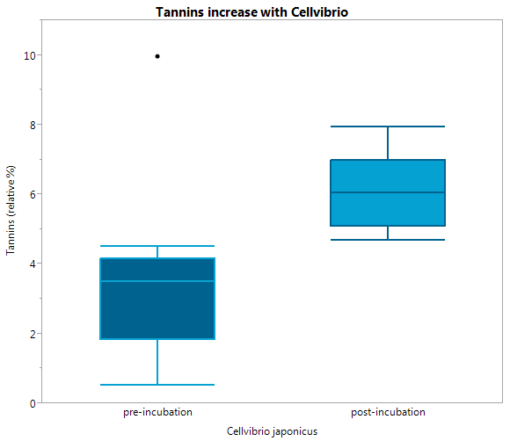
REML Fit results (data file: % dwp2013.JMP)
 |  | Lipid | Unsaturated hydrocarbons | Proteins | Lignin | carbohydrate | Amino sugars | Tannins | Condensed hydrocarbons | NMS 1 | NMS 2 | tension | inoculant | N Rows | Mean(NMS 1) | Mean(NMS 2) | Std Err(NMS 1) | Std Err(NMS 2)
Summary of Fit | r2 | 0.4595369 | 0.162491 | 0.582203 | 0.421272 | 0.5333378 | 0.238499 | 0.399218 | 0.5123 | 0.543186 | 0.3411 | 15 mb | 1. Pre-Inoculation | 5 | 0.45256 | -0.400514 | 0.2413661231 | 0.1762789845
 | adjusted r2 | 0.337936 | -0.02595 | 0.488199 | 0.291058 | 0.428388 | 0.067161 | 0.265042 | 0.402568 | 0.440402 | 0.192848 | 15 mb | 2. No Inoculation | 5 | -0.16494 | -0.222824 | 0.4350377532 | 0.1138850512
 | RMSE | 5.692121 | 2.4629 | 3.301159 | 2.189294 | 1.715057 | 1.539751 | 1.9444479 | 6.118109 | 0.675036 | 0.466242 | 15 mb | Cellvibrio (Gm - ) | 5 | -0.642888 | 0.21987 | 0.2486924516 | 0.3581072433
REML Variance Component Estimates | Soil Core | 15.381 | 0.426 | 48.66 | 0 | 8.567 | 10.451 | 20.688 | 39.641 | 38.339 | 0 | 15 mb | Streptomyces (Gm +) | 5 | -0.225832 | 0.625482 | 0.2582830637 | 0.3894191589
 | Residual | 84.619 | 99.574 | 51.34 | 100 | 91.433 | 89.549 | 79.312 | 60.359 | 61.661 | 100 | 15 mb | Trichoderma (Fungi_ | 5 | 0.080148 | -0.064724 | 0.1931806023 | 0.0575459281
Fixed Effects | Pore Size (macro or micro) | 0.2994 | 0.2206 | 0.1213 | 0.5597 | 0.0859 | 0.4677 | 0.9509 | 0.4105 | 0.3009 | 0.6362 | 150 mb | 1. Pre-Inoculation | 5 | 0.707122 | -0.395638 | 0.594174101 | 0.144700793
 | Inoculant | 0.0027 | 0.4300 | 0.2062 | 0.0001 | 0.0001 | 0.4252 | 0.0465 | 0.1388 | 0.0175 | 0.0015 | 150 mb | 2. No Inoculation | 5 | 0.11409 | -0.1217 | 0.5728087693 | 0.0978546827
 | Pore Size * Inoculant | 0.9070 | 0.7512 | 0.9807 | 0.8696 | 0.4371 | 0.9694 | 0.9649 | 0.9730 | 0.9921 | 0.9055 | 150 mb | Cellvibrio (Gm - ) | 5 | -0.39475 | -0.01522 | 0.2561030415 | 0.0636376703
 |  |  |  |  |  |  |  |  |  |  |  | 150 mb | Streptomyces (Gm +) | 5 | -0.018372 | 0.42028 | 0.4142152834 | 0.2378885095
LS Mean Differences (Tukey) |  |  |  |  |  |  |  |  |  |  |  | 150 mb | Trichoderma (Fungi_ | 5 | 0.092862 | -0.045012 | 0.3824838824 | 0.0862939949
 | Pre-Incubation | a |  |  | b | c |  | b |  | a | b
 | No Inoculant | ab |  |  | b | ab |  | ab |  | ab | b
 | Cellvibrio | b |  |  | a | bc |  | a |  | b | ab
 | Streptomyces | b |  |  | a | ab |  | ab |  | ab | a
 | Trichoderma | a |  |  | ab | abc |  | ab |  | ab | ab

 |  | yes = pre differs from Inoculant
Pre versus Post REML results |  | Lipid | Unsaturated hydrocarbons | Proteins | Lignin | carbohydrate | Amino sugars | Tannins | Condensed hydrocarbons | % Assigned
 | Pre v Strepto | yes |  |  | yes | yes |  |  |  | no
 | Pre v Tricho |  |  |  | yes | yes |  |  |  | yes! | greater porportion of assigned peaks in fungi
 | Pre v Cellvibrio | yes |  |  | yes | yes |  | yes |  | no

Subset of Inoculants REML results
file: Subset of Inoculants normalized % dwp2013.JMP |  | Lipid | Unsaturated hydrocarbons | Proteins | Lignin | carbohydrate | Amino sugars | Tannins | Condensed hydrocarbons
Fixed Effects | Pore Size (macro or micro)
 | Inoculant | 0.0542 |  | 0.039 | 0.0783 | 0.0113 |  | 0.01212 | 0.0818
 | Pore Size * Inoculant

 | Cellvibrio |  |  | b |  | b |  | a
 | Streptomyces |  |  | a |  | a |  | ab
 | Trichoderma |  |  | ab |  | ab |  | b

REML Figures
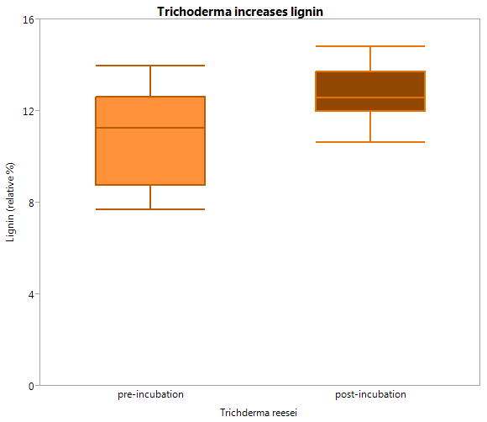
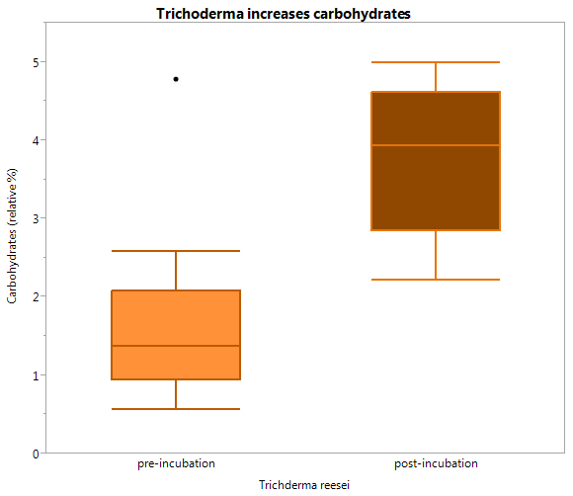
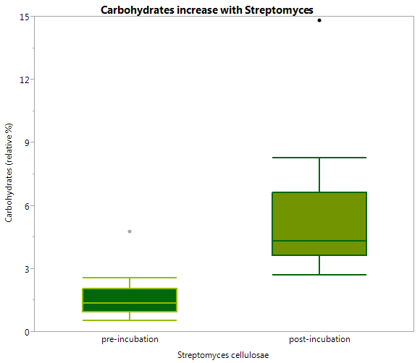
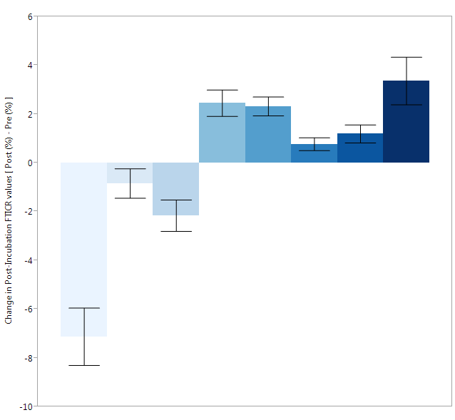

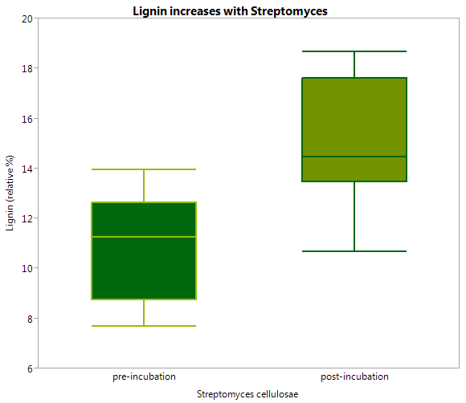
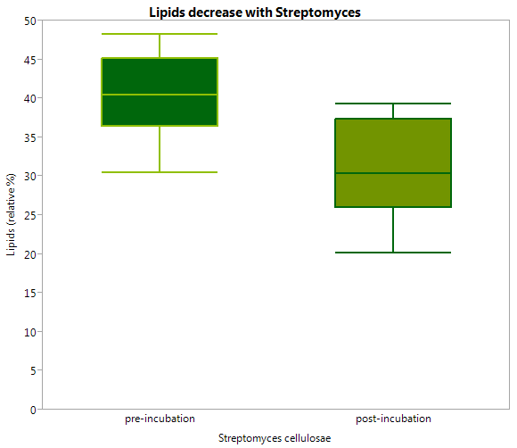
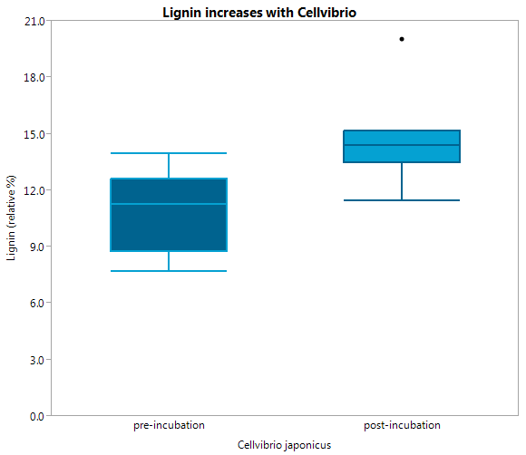

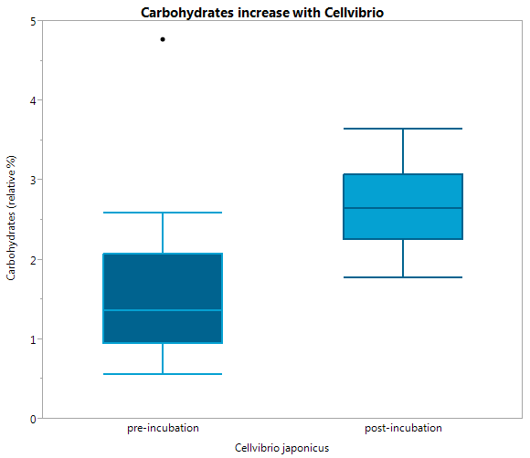

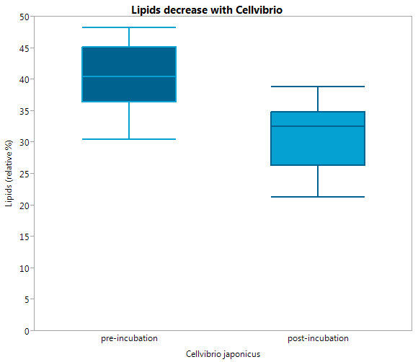

Pre v Post (sum) Results
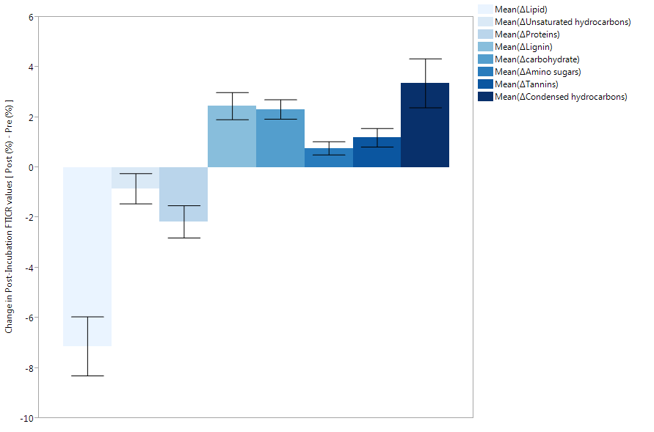
ANOVA (pre vertsus post incubation) data file: normalized % dwp2013.JMP
 |  | df | SS | MS | F ratio | Prob > F | Trend
Lipids | (pre/post) | 1 | 406.2373 | 406.237 | 10.6146 | 0.0021 | Lipids decrease
 | error | 48 | 1837.0402 | 38.272

Lignin | (pre/post) | 1 | 48.2393 | 48.2893 | 7.8039 | 0.0075 | Lignin increases
 | error | 48 | 297.01772 | 6.1879

Carbohydrates |  | 1 | 43.16416 | 43.1642 | 10.5287 | 0.0021 | carbohydrates increase
 |  | 48 | 196.78428 | 4.0997

NMS normalized Figures II
 |  |  |  |  |  |  |  | sample | Core | Pre/post Incubation | tension | inoculant | NMDS Axis 1 (67.1%) | NMDS Axis 2 (29.5%)
 |  |  |  |  |  |  |  | 11A | 11 | post-incubation | 15 mb | cellvibrio | -0.74849 | -0.54374
 |  |  |  |  |  |  |  | 13A | 13 | post-incubation | 15 mb | cellvibrio | -1.45931 | 0.03317
 |  |  |  |  |  |  |  | 26A | 26 | post-incubation | 15 mb | cellvibrio | -0.76242 | -0.0729
 |  |  |  |  |  |  |  | 34A | 34 | post-incubation | 15 mb | cellvibrio | -0.08637 | 0.10367
 |  |  |  |  |  |  |  | 52A | 52 | post-incubation | 15 mb | cellvibrio | -0.15785 | 1.57915
 |  |  |  |  |  |  |  | 11C | 11 | post-incubation | 150 mb | cellvibrio | -0.85932 | -0.19706
 |  |  |  |  |  |  |  | 13C | 13 | post-incubation | 150 mb | cellvibrio | -1.10905 | -0.06758
 |  |  |  |  |  |  |  | 26C | 26 | post-incubation | 150 mb | cellvibrio | -0.1605 | 0.1278
 |  |  |  |  |  |  |  | 34C | 34 | post-incubation | 150 mb | cellvibrio | -0.12823 | -0.07106
 |  |  |  |  |  |  |  | 52C | 52 | post-incubation | 150 mb | cellvibrio | 0.28335 | 0.1318
 |  |  |  |  |  |  |  | 11A | 11 | post-incubation | 15 mb | control | -1.05754 | -0.01106
 |  |  |  |  |  |  |  | 13A | 13 | post-incubation | 15 mb | control | 0.87068 | -0.64362
 |  |  |  |  |  |  |  | 26A | 26 | post-incubation | 15 mb | control | -1.31144 | -0.27157
 |  |  |  |  |  |  |  | 34A | 34 | post-incubation | 15 mb | control | 0.11548 | -0.06326
 |  |  |  |  |  |  |  | 52A | 52 | post-incubation | 15 mb | control | 0.55812 | -0.12461
 |  |  |  |  |  |  |  | 11C | 11 | post-incubation | 150 mb | control | -0.56627 | -0.44583
 |  |  |  |  |  |  |  | 13C | 13 | post-incubation | 150 mb | control | -1.065 | -0.1926
 |  |  |  |  |  |  |  | 26C | 26 | post-incubation | 150 mb | control | -0.07831 | 0.14754
 |  |  |  |  |  |  |  | 34C | 34 | post-incubation | 150 mb | control | 0.0071 | -0.0362
 |  |  |  |  |  |  |  | 52C | 52 | post-incubation | 150 mb | control | 2.27293 | -0.08141
 |  |  |  |  |  |  |  | 11A | 11 | pre-incubation | 15 mb | pre | 0.61616 | -0.53362
 |  |  |  |  |  |  |  | 13A | 13 | pre-incubation | 15 mb | pre | 0.01631 | -0.24708
 |  |  |  |  |  |  |  | 26A | 26 | pre-incubation | 15 mb | pre | -0.2251 | -0.50707
 |  |  |  |  |  |  |  | 34A | 34 | pre-incubation | 15 mb | pre | 0.79114 | 0.17418
 |  |  |  |  |  |  |  | 52A | 52 | pre-incubation | 15 mb | pre | 1.06429 | -0.88898
 |  |  |  |  |  |  |  | 11C | 11 | pre-incubation | 150 mb | pre | -0.40677 | -0.90162
 |  |  |  |  |  |  |  | 13C | 13 | pre-incubation | 150 mb | pre | -0.86244 | -0.49038
 |  |  |  |  |  |  |  | 26C | 26 | pre-incubation | 150 mb | pre | 1.10451 | -0.29147
 |  |  |  |  |  |  |  | 34C | 34 | pre-incubation | 150 mb | pre | 1.30904 | -0.04827
 |  |  |  |  |  |  |  | 52C | 52 | pre-incubation | 150 mb | pre | 2.39127 | -0.24645
 |  |  |  |  |  |  |  | 11A | 11 | post-incubation | 15 mb | Strepto | -0.01546 | 2.09742
 |  |  |  |  |  |  |  | 13A | 13 | post-incubation | 15 mb | Strepto | -1.04686 | -0.03256
 |  |  |  |  |  |  |  | 26A | 26 | post-incubation | 15 mb | Strepto | -0.18698 | 0.30824
 |  |  |  |  |  |  |  | 34A | 34 | post-incubation | 15 mb | Strepto | 0.53487 | 0.05362
 |  |  |  |  |  |  |  | 52A | 52 | post-incubation | 15 mb | Strepto | -0.41473 | 0.70069
 |  |  |  |  |  |  |  | 11C | 11 | post-incubation | 150 mb | Strepto | -0.90495 | -0.16809
 |  |  |  |  |  |  |  | 13C | 13 | post-incubation | 150 mb | Strepto | -0.79894 | 0.07876
 |  |  |  |  |  |  |  | 26C | 26 | post-incubation | 150 mb | Strepto | -0.31951 | 1.22422
 |  |  |  |  |  |  |  | 34C | 34 | post-incubation | 150 mb | Strepto | 0.90087 | 0.56914
 | Factors | NMDS 1 | NMDS 2 |  |  |  |  | 52C | 52 | post-incubation | 150 mb | Strepto | 1.03067 | 0.39737
 | lipids | 0 | 0 |  |  |  |  | 11A | 11 | post-incubation | 15 mb | Tricho | 0.31078 | -0.22206 | tension | inoculant | Mean(PC1 (41.8%) correlations) | Mean(PC2 (28.4%) correlations) | Std Err(PC1 (41.8%) correlations) | Std Err(PC2 (28.4%) correlations) | N Rows
 |  | 0.13428 | -0.05341 |  |  |  |  | 13A | 13 | post-incubation | 15 mb | Tricho | 0.53274 | 0.09249 | 15 mb | cellvibrio | -0.642888 | 0.21987 | 0.2486924516 | 0.3581072433 | 5
 | Unsaturated hydrocarbons | 0 | 0 |  |  |  |  | 26A | 26 | post-incubation | 15 mb | Tricho | -0.48497 | -0.02933 | 15 mb | control | -0.16494 | -0.222824 | 0.4350377532 | 0.1138850512 | 5
 |  | 0.07504 | 0.04718 |  |  |  |  | 34A | 34 | post-incubation | 15 mb | Tricho | 0.30571 | 0.00391 | 15 mb | pre | 0.45256 | -0.400514 | 0.2413661231 | 0.1762789845 | 5
 | Proteins | 0 | 0 |  |  |  |  | 52A | 52 | post-incubation | 15 mb | Tricho | -0.26352 | -0.16863 | 15 mb | Strepto | -0.225832 | 0.625482 | 0.2582830637 | 0.3894191589 | 5
 |  | 0.33534 | 0.04563 |  |  |  |  | 11C | 11 | post-incubation | 150 mb | Tricho | -1.06532 | -0.28192 | 15 mb | Tricho | 0.080148 | -0.064724 | 0.1931806023 | 0.0575459281 | 5
 | Lignin | 0 | 0 |  |  |  |  | 13C | 13 | post-incubation | 150 mb | Tricho | -0.15591 | -0.12683 | 150 mb | cellvibrio | -0.39475 | -0.01522 | 0.2561030415 | 0.0636376703 | 5
 |  | -0.06832 | 0.07846 |  |  |  |  | 26C | 26 | post-incubation | 150 mb | Tricho | 0.34598 | 0.23143 | 150 mb | control | 0.11409 | -0.1217 | 0.5728087693 | 0.0978546827 | 5
 | carbohydrate | 0 | 0 |  |  |  |  | 34C | 34 | post-incubation | 150 mb | Tricho | 0.04015 | -0.0902 | 150 mb | pre | 0.707122 | -0.395638 | 0.594174101 | 0.144700793 | 5
 |  | -0.09177 | 0.19349 |  |  |  |  | 52C | 52 | post-incubation | 150 mb | Tricho | 1.29941 | 0.04246 | 150 mb | Strepto | -0.018372 | 0.42028 | 0.4142152834 | 0.2378885095 | 5
 | Amino sugars | 0 | 0 |  |  |  |  |  |  |  |  |  |  |  | 150 mb | Tricho | 0.092862 | -0.045012 | 0.3824838824 | 0.0862939949 | 5
 |  | 0.10917 | 0.24918
 | Tannins | 0 | 0
 |  | -0.33003 | -0.04428
 | Condensed hydrocarbons | 0 | 0 |  |  |  |  |  |  |  |  |  |  |  | tension | inoculant | N Rows | Mean(NMS 1) | Mean(NMS 2) | Std Err(NMS 1) | Std Err(NMS 2)
 |  | -0.26104 | -0.0487 |  |  |  |  |  |  |  |  |  |  |  | 15 mb | 1. Pre-Inoculation | 5 | 0.45256 | -0.400514 | 0.2413661231 | 0.1762789845
 |  |  |  |  |  |  |  |  |  |  |  |  |  |  | 15 mb | 2. No Inoculation | 5 | -0.16494 | -0.222824 | 0.4350377532 | 0.1138850512
 |  |  |  |  |  |  |  |  |  |  |  |  |  |  | 15 mb | Cellvibrio (Gm - ) | 5 | -0.642888 | 0.21987 | 0.2486924516 | 0.3581072433
 |  |  |  |  |  |  |  |  |  |  |  |  |  |  | 15 mb | Streptomyces (Gm +) | 5 | -0.225832 | 0.625482 | 0.2582830637 | 0.3894191589
 |  |  |  |  |  |  |  |  |  |  |  |  |  |  | 15 mb | Trichoderma (Fungi_ | 5 | 0.080148 | -0.064724 | 0.1931806023 | 0.0575459281
 |  |  |  |  |  |  |  |  |  |  |  |  |  |  | 150 mb | 1. Pre-Inoculation | 5 | 0.707122 | -0.395638 | 0.594174101 | 0.144700793
 |  |  |  |  |  |  |  |  |  |  |  |  |  |  | 150 mb | 2. No Inoculation | 5 | 0.11409 | -0.1217 | 0.5728087693 | 0.0978546827
 |  |  |  |  |  |  |  |  |  |  |  |  |  |  | 150 mb | Cellvibrio (Gm - ) | 5 | -0.39475 | -0.01522 | 0.2561030415 | 0.0636376703
 |  |  |  |  |  |  |  |  |  |  |  |  |  |  | 150 mb | Streptomyces (Gm +) | 5 | -0.018372 | 0.42028 | 0.4142152834 | 0.2378885095
 |  |  |  |  |  |  |  |  |  |  |  |  |  |  | 150 mb | Trichoderma (Fungi_ | 5 | 0.092862 | -0.045012 | 0.3824838824 | 0.0862939949

 |  |  |  |  |  |  |  |  |  |  |  |  |  |  |  |  |  | 1 | 2
 |  |  |  |  |  |  |  |  |  |  |  |  |  |  | 150 mb | Streptomyces (Gm +) |  | -0.6508530415 | 0.0788576703
SampleID | Pre/post Incubation | sample | Core | tension | inoculant | NMS 1 | NMS 2 |  |  |  |  |  |  |  | 15 mb | 2. No Inoculation |  | -0.5999777532 | -0.3367090512
11A 1. Pre-Inoculation | pre-incubation | 11A | 11 | 15 mb | 1. Pre-Inoculation | 0.61616 | -0.53362 |  |  |  |  |  |  |  | 150 mb | Cellvibrio (Gm - ) |  | -0.4841150637 | -1.0149011589
13A 1. Pre-Inoculation | pre-incubation | 13A | 13 | 15 mb | 1. Pre-Inoculation | 0.01631 | -0.24708 |  |  |  |  |  |  |  | 15 mb | Streptomyces (Gm +) |  | -0.4753458824 | 0.1313059949
26A 1. Pre-Inoculation | pre-incubation | 26A | 26 | 15 mb | 1. Pre-Inoculation | -0.2251 | -0.50707 |  |  |  |  |  |  |  | 15 mb | Cellvibrio (Gm - ) |  | -0.4325872834 | 0.6581685095
34A 1. Pre-Inoculation | pre-incubation | 34A | 34 | 15 mb | 1. Pre-Inoculation | 0.79114 | 0.17418 |  |  |  |  |  |  |  | 150 mb | Trichoderma (Fungi_ |  | 0.2733286023 | -0.1222699281
52A 1. Pre-Inoculation | pre-incubation | 52A | 52 | 15 mb | 1. Pre-Inoculation | 1.06429 | -0.88898 |  |  |  |  |  |  |  | 150 mb | 2. No Inoculation |  | 0.6868987693 | -0.2195546827
11C 1. Pre-Inoculation | pre-incubation | 11C | 11 | 150 mb | 1. Pre-Inoculation | -0.40677 | -0.90162 |  |  |  |  |  |  |  | 15 mb | 1. Pre-Inoculation |  | 0.6939261231 | -0.5767929845
13C 1. Pre-Inoculation | pre-incubation | 13C | 13 | 150 mb | 1. Pre-Inoculation | -0.86244 | -0.49038 |  |  |  |  |  |  |  | 15 mb | Trichoderma (Fungi_ |  | 0.8915804516 | -0.5779772433
26C 1. Pre-Inoculation | pre-incubation | 26C | 26 | 150 mb | 1. Pre-Inoculation | 1.10451 | -0.29147 |  |  |  |  |  |  |  | 150 mb | 1. Pre-Inoculation |  | 1.301296101 | -0.540338793
34C 1. Pre-Inoculation | pre-incubation | 34C | 34 | 150 mb | 1. Pre-Inoculation | 1.30904 | -0.04827
52C 1. Pre-Inoculation | pre-incubation | 52C | 52 | 150 mb | 1. Pre-Inoculation | 2.39127 | -0.24645
11A 2. No Inoculation | post-incubation | 11A | 11 | 15 mb | 2. No Inoculation | -1.05754 | -0.01106 |  |  |  |  |  |  |  |  |  | -.7 --> 1.4 |  | -1.1--> .7
13A 2. No Inoculation | post-incubation | 13A | 13 | 15 mb | 2. No Inoculation | 0.87068 | -0.64362
26A 2. No Inoculation | post-incubation | 26A | 26 | 15 mb | 2. No Inoculation | -1.31144 | -0.27157
34A 2. No Inoculation | post-incubation | 34A | 34 | 15 mb | 2. No Inoculation | 0.11548 | -0.06326
52A 2. No Inoculation | post-incubation | 52A | 52 | 15 mb | 2. No Inoculation | 0.55812 | -0.12461
11C 2. No Inoculation | post-incubation | 11C | 11 | 150 mb | 2. No Inoculation | -0.56627 | -0.44583
13C 2. No Inoculation | post-incubation | 13C | 13 | 150 mb | 2. No Inoculation | -1.065 | -0.1926
26C 2. No Inoculation | post-incubation | 26C | 26 | 150 mb | 2. No Inoculation | -0.07831 | 0.14754
34C 2. No Inoculation | post-incubation | 34C | 34 | 150 mb | 2. No Inoculation | 0.0071 | -0.0362
52C 2. No Inoculation | post-incubation | 52C | 52 | 150 mb | 2. No Inoculation | 2.27293 | -0.08141
11A Cellvibrio (Gm - ) | post-incubation | 11A | 11 | 15 mb | Cellvibrio (Gm - ) | -0.74849 | -0.54374
13A Cellvibrio (Gm - ) | post-incubation | 13A | 13 | 15 mb | Cellvibrio (Gm - ) | -1.45931 | 0.03317
26A Cellvibrio (Gm - ) | post-incubation | 26A | 26 | 15 mb | Cellvibrio (Gm - ) | -0.76242 | -0.0729
34A Cellvibrio (Gm - ) | post-incubation | 34A | 34 | 15 mb | Cellvibrio (Gm - ) | -0.08637 | 0.10367
52A Cellvibrio (Gm - ) | post-incubation | 52A | 52 | 15 mb | Cellvibrio (Gm - ) | -0.15785 | 1.57915
11C Cellvibrio (Gm - ) | post-incubation | 11C | 11 | 150 mb | Cellvibrio (Gm - ) | -0.85932 | -0.19706
13C Cellvibrio (Gm - ) | post-incubation | 13C | 13 | 150 mb | Cellvibrio (Gm - ) | -1.10905 | -0.06758
26C Cellvibrio (Gm - ) | post-incubation | 26C | 26 | 150 mb | Cellvibrio (Gm - ) | -0.1605 | 0.1278
34C Cellvibrio (Gm - ) | post-incubation | 34C | 34 | 150 mb | Cellvibrio (Gm - ) | -0.12823 | -0.07106
52C Cellvibrio (Gm - ) | post-incubation | 52C | 52 | 150 mb | Cellvibrio (Gm - ) | 0.28335 | 0.1318
11A Streptomyces (Gm +) | post-incubation | 11A | 11 | 15 mb | Streptomyces (Gm +) | -0.01546 | 2.09742
13A Streptomyces (Gm +) | post-incubation | 13A | 13 | 15 mb | Streptomyces (Gm +) | -1.04686 | -0.03256
26A Streptomyces (Gm +) | post-incubation | 26A | 26 | 15 mb | Streptomyces (Gm +) | -0.18698 | 0.30824
34A Streptomyces (Gm +) | post-incubation | 34A | 34 | 15 mb | Streptomyces (Gm +) | 0.53487 | 0.05362
52A Streptomyces (Gm +) | post-incubation | 52A | 52 | 15 mb | Streptomyces (Gm +) | -0.41473 | 0.70069
11C Streptomyces (Gm +) | post-incubation | 11C | 11 | 150 mb | Streptomyces (Gm +) | -0.90495 | -0.16809
13C Streptomyces (Gm +) | post-incubation | 13C | 13 | 150 mb | Streptomyces (Gm +) | -0.79894 | 0.07876
26C Streptomyces (Gm +) | post-incubation | 26C | 26 | 150 mb | Streptomyces (Gm +) | -0.31951 | 1.22422
34C Streptomyces (Gm +) | post-incubation | 34C | 34 | 150 mb | Streptomyces (Gm +) | 0.90087 | 0.56914
52C Streptomyces (Gm +) | post-incubation | 52C | 52 | 150 mb | Streptomyces (Gm +) | 1.03067 | 0.39737
11A Trichoderma (Fungi_ | post-incubation | 11A | 11 | 15 mb | Trichoderma (Fungi_ | 0.31078 | -0.22206
13A Trichoderma (Fungi_ | post-incubation | 13A | 13 | 15 mb | Trichoderma (Fungi_ | 0.53274 | 0.09249
26A Trichoderma (Fungi_ | post-incubation | 26A | 26 | 15 mb | Trichoderma (Fungi_ | -0.48497 | -0.02933
34A Trichoderma (Fungi_ | post-incubation | 34A | 34 | 15 mb | Trichoderma (Fungi_ | 0.30571 | 0.00391
52A Trichoderma (Fungi_ | post-incubation | 52A | 52 | 15 mb | Trichoderma (Fungi_ | -0.26352 | -0.16863
11C Trichoderma (Fungi_ | post-incubation | 11C | 11 | 150 mb | Trichoderma (Fungi_ | -1.06532 | -0.28192
13C Trichoderma (Fungi_ | post-incubation | 13C | 13 | 150 mb | Trichoderma (Fungi_ | -0.15591 | -0.12683
26C Trichoderma (Fungi_ | post-incubation | 26C | 26 | 150 mb | Trichoderma (Fungi_ | 0.34598 | 0.23143
34C Trichoderma (Fungi_ | post-incubation | 34C | 34 | 150 mb | Trichoderma (Fungi_ | 0.04015 | -0.0902
52C Trichoderma (Fungi_ | post-incubation | 52C | 52 | 150 mb | Trichoderma (Fungi_ | 1.29941 | 0.04246

NMS normalized Figures
tension | inoculant | Mean(Axis 1 (67.1%)) | Mean(Axis 2 (29.5%)) | Std Error Axis 1 | Std Error Axis 2 | N Rows | tension | inoculant | N Rows | Mean(NMS 1) | Mean(NMS 2) | Std Err(NMS 1) | Std Err(NMS 2)
15 mb | cellvibrio | -0.642888 | 0.21987 | 0.2486924516 | 0.3581072433 | 5 | 15 mb | Cellvibrio (Gm - ) | 5 | -0.642888 | 0.21987 | 0.2486924516 | 0.3581072433
15 mb | control | -0.16494 | -0.222824 | 0.4350377532 | 0.1138850512 | 5 | 150 mb | Cellvibrio (Gm - ) | 5 | -0.39475 | -0.01522 | 0.2561030415 | 0.0636376703
15 mb | pre | 0.45256 | -0.400514 | 0.2413661231 | 0.1762789845 | 5 | 15 mb | Streptomyces (Gm +) | 5 | -0.225832 | 0.625482 | 0.2582830637 | 0.3894191589
15 mb | Strepto | -0.225832 | 0.625482 | 0.2582830637 | 0.3894191589 | 5 | 15 mb | 2. No Inoculation | 5 | -0.16494 | -0.222824 | 0.4350377532 | 0.1138850512
15 mb | Tricho | 0.080148 | -0.064724 | 0.1931806023 | 0.0575459281 | 5 | 150 mb | Streptomyces (Gm +) | 5 | -0.018372 | 0.42028 | 0.4142152834 | 0.2378885095
150 mb | cellvibrio | -0.39475 | -0.01522 | 0.2561030415 | 0.0636376703 | 5 | 15 mb | Trichoderma (Fungi_ | 5 | 0.080148 | -0.064724 | 0.1931806023 | 0.0575459281
150 mb | control | 0.11409 | -0.1217 | 0.5728087693 | 0.0978546827 | 5 | 150 mb | Trichoderma (Fungi_ | 5 | 0.092862 | -0.045012 | 0.3824838824 | 0.0862939949
150 mb | pre | 0.707122 | -0.395638 | 0.594174101 | 0.144700793 | 5 | 150 mb | 2. No Inoculation | 5 | 0.11409 | -0.1217 | 0.5728087693 | 0.0978546827
150 mb | Strepto | -0.018372 | 0.42028 | 0.4142152834 | 0.2378885095 | 5 | 15 mb | 1. Pre-Inoculation | 5 | 0.45256 | -0.400514 | 0.2413661231 | 0.1762789845
150 mb | Tricho | 0.092862 | -0.045012 | 0.3824838824 | 0.0862939949 | 5 | 150 mb | 1. Pre-Inoculation | 5 | 0.707122 | -0.395638 | 0.594174101 | 0.144700793

Factors | axes 1 | 2
Lipid | 0.13428 | -0.05341
Unsatura | 0.07504 | 0.04718
Proteins | 0.33534 | 0.04563
Lignin | -0.06832 | 0.07846
carbohyd | -0.09177 | 0.19349 |  |  |  |  |  | Axis 1
Amino su | 0.10917 | 0.24918 |  |  |  |  | Condensed Hydrocarbons | 89%
Tannins | -0.33003 | -0.04428 |  |  |  |  | Lipids
Condense | -0.26104 | -0.0487 |  |  |  |  | Tannins

Correlations |  | Axis 1 |  |  | Axis 2
 | r | rsq | tau | r | rsq | tau
Lipid | 0.814 | 0.663 | 0.7 | -0.531 | 0.282 | -0.207
Unsatura | 0.347 | 0.121 | 0.252 | 0.358 | 0.128 | 0.042
Proteins | 0.836 | 0.699 | 0.603 | 0.187 | 0.035 | 0.282
Lignin | -0.392 | 0.154 | -0.259 | 0.739 | 0.546 | 0.474
carbohyd | -0.176 | 0.031 | -0.166 | 0.61 | 0.372 | 0.231
Amino su | 0.201 | 0.041 | 0.234 | 0.754 | 0.569 | 0.359
Tannins | -0.814 | 0.663 | -0.664 | -0.179 | 0.032 | -0.13
Condense | -0.943 | 0.89 | -0.77 | -0.289 | 0.083 | -0.256

% Variations w/ matrix
 | r-sq
Axis | Increment | Cumulative
1 | 0.671 | 0.671
2 | 0.295 | 0.966

